page1
 |  |  |  | NSSE 2013 Snapshot
 |  |  |  | Bowling Green State University
Snapshot |  |  |  |  |  |  |  |  | Comparison Group
NSSE asks first-year and senior students about a wide range of educationally purposeful activities (for more information, see page 4). This Snapshot is a concise collection of key findings from your institution's NSSE 2013 participation. We hope this information stimulates discussion on your campus about the undergraduate experience. Additional details about these results, including statistical test results, can be found in the reports referenced throughout. |  |  |  |  |  |  |  |  | The comparison group featured in this report is
 |  |  |  |  |  |  |  |  | Selected Peers
 |  |  |  |  |  |  |  |  | See your Selected Comparison Groups report for details.

Engagement Indicators |  |  |  |  |  |  |  |  | Your students compared with
Sets of items are grouped into ten Engagement Indicators, which fit within four themes of engagement. At right are summary results for your institution. For details, see your Engagement Indicators report. Key: |  |  |  |  |  |  |  |  | Selected Peers
 |  |  |  |  | Theme |  | Engagement Indicator |  | First-year | Senior | FY | SEN
 |  |  |  |  | Academic Challenge |  | Higher-Order Learning (HO) |  | △ | ▽ | 4 | 2
 |  |  |  |  |  |  | Reflective & Integrative Learning (RI) |  | △ | -- | 4 | 3
 |  |  |  |  |  |  | Learning Strategies (LS) |  | -- | ▽ | 3 | 2
 |  |  |  |  |  |  | Quantitative Reasoning (QR) |  | -- | ▽ | 3 | 2
▲ | Your students’ average was significantly higher (p < .05) with an effect size at least .3 in magnitude.
 |  |  |  |  | Learning with Peers |  | Collaborative Learning (CL) |  | -- | -- | 3 | 3
△ | Your students’ average was significantly higher (p < .05) with an effect size less than .3 in magnitude. |  |  |  |  |  | Discussions with Diverse Others (DD) |  | -- | ▽ | 3 | 2

-- | No significant difference. |  |  |  | Experiences with Faculty |  | Student-Faculty Interaction (SF) |  | △ | △ | 4 | 4
▽ | Your students’ average was significantly lower (p < .05) with an effect size less than .3 in magnitude. |  |  |  |  |  | Effective Teaching Practices (ET) |  | △ | -- | 4 | 3

▼ | Your students’ average was significantly lower (p < .05) with an effect size at least .3 in magnitude. |  |  |  | Campus Environment |  | Quality of Interactions (QI) |  | -- | ▽ | 3 | 2
 |  |  |  |  |  |  | Supportive Environment (SE) |  | -- | ▽ | 3 | 2

High-Impact Practices (HIPs)
Due to their positive associations with student learning and retention, special undergraduate opportunities are designated "high-impact." For more details and statistical comparisons, see your High-Impact Practices report. |  |  |  |  | First-year Learning Communities, Service-Learning, and Research w/Faculty |  |  |  |  |  |  |  |  | BGSU | Selected Peers
 |  |  |  |  |  |  |  |  |  |  |  |  | Participated in one HIP | 43% | 44%
 |  |  |  |  |  |  |  |  |  |  |  |  | Participated in two or more HIPs | 21% | 11%
 |  |  |  |  | Senior Learning Communities, Service-Learning, Research w/Faculty, Internships, Study Abroad, and Culminating Experiences
 |  |  |  |  |  |  |  |  |  |  |  |  |  | BGSU | Selected Peers
 |  |  |  |  |  |  |  |  |  |  |  |  | Participated in one HIP | 24% | 26%
 |  |  |  |  |  |  |  |  |  |  |  |  | Participated in two or more HIPs | 65% | 58%

Administration Summary |  |  |  |  |  |  |  | Additional Questions
 |  | Count | Resp. rate | Female |  | Full-time |  | Your institution administered the following additional question set(s):
First-year |  | 543 | 18% | 72% |  | 99% |  | Academic Advising
Senior |  | 897 | 24% | 62% |  | 90% |  | Experiences with Writing
Refer to your Administration Summary and Respondent Profile reports for more information. |  |  |  |  |  |  |  | Refer to your Topical Module report(s) for complete results.

page2
 |  | NSSE 2013 Snapshot
 |  | Bowling Green State University
Academic Challenge: Additional Results
The Academic Challenge theme contains four Engagement Indicators (HO, RI, LS, QR) as well as several important individual items. The results presented here provide an overview of these individual items. For more information about the Academic Challenge theme, see your Engagement Indicators report. To further explore individual item results, see your Frequencies and Statistical Comparisons, the Major Field Report, or the NSSE Institutional Report Builder (described on p. 4).

Selected Peers | 14.8
BGSU | 13.9
Selected Peers | 14.6
BGSU | 13.5
Time Spent Preparing for Class
This figure reports the average weekly class preparation time for your first-year and senior students compared to students in your comparison group. |  |  |  | First-year |  |  |  | Senior
 |  |  |  |  |  |  |  |  | Selected Peers | 14.8
 |  |  |  |  |  |  |  |  | BGSU | 13.9
 |  |  |  |  |  |  |  | First-year
 |  |  |  | Senior |  |  |  |  | Selected Peers | 14.6
 |  |  |  |  |  |  |  |  | BGSU | 13.5

Average Hours per Week on Course Reading
 | Avg. Hours Reading per Week
Selected Peers | 6.9
BGSU | 5.9
Selected Peers | 6.5
BGSU | 5.8
Average Pages of Assigned Writing
 | Avg. Number of Written Pages
Selected Peers | 73.0
BGSU | 77.8
Selected Peers | 41.7
BGSU | 49.0
Reading and Writing
These figures report the average number of hours your students spent reading for their courses and the average number of pages of assigned writing compared to students in your comparison group. |  |  | First-year
 |  |  |  |  |  |  |  | Senior |  | Avg. Hours Reading per Week |  |  | Senior |  | Avg. Number of Written Pages
 |  |  |  |  |  |  |  |  | Selected Peers | 6.9 |  |  |  | Selected Peers | 73.0
 |  |  |  |  |  |  |  |  | BGSU | 5.9 |  |  |  | BGSU | 77.8
 |  |  | Senior |  |  |  |  | First-year |  |  |  |  | First-year
 |  |  |  |  |  |  |  |  | Selected Peers | 6.5 |  |  |  | Selected Peers | 41.7
 |  |  |  |  |  |  |  |  | BGSU | 5.8 |  |  |  | BGSU | 49.0

Challenging Courses |  |  |  |  |  | Academic Emphasis
To what extent did your students' courses challenge them to do their best work? Response options ranged from 1 = "Not at all" to 7 = "Very much." |  |  |  |  |  | How much did students say their institution emphasizes spending significant time studying and on academic work? Response options included "Very much," "Quite a bit," "Some," and "Very little."

 | Low challenge (1 or 2) | Moderate challenge (3, 4, or 5) | High challenge (6 or 7)
BGSU | 1% | 46% | 53%
Selected Peers | 2% | 48% | 50%
BGSU | 2% | 43% | 54%
Selected Peers | 2% | 37% | 61%
 | Percentage Responding "Very much" or "Quite a bit"
Selected Peers | 81%
BGSU | 75%
Selected Peers | 82%
BGSU | 82%
 | First-year |  | Senior
 |  |  |  |  |  |  | First-year |  |  | FY |  | Senior
 |  |  |  |  |  |  |  |  |  | BGSU | Selected Peers | BGSU | Selected Peers
 |  |  |  |  |  |  |  |  | Low challenge (1 or 2) | 1% | 2% | 2% | 2%
 |  |  |  |  |  |  |  |  | Moderate challenge (3, 4, or 5) | 46% | 48% | 43% | 37%
 |  |  |  |  |  |  |  |  | High challenge (6 or 7) | 53% | 50% | 54% | 61%
 |  |  |  |  |  |  | Senior
 |  |  |  |  |  |  |  | Senior |  | Percentage Responding "Very much" or "Quite a bit"
 |  |  |  |  |  |  |  |  | Selected Peers | 81%
 |  |  |  |  |  |  |  |  | BGSU | 75%
 |  |  |  |  |  |  |  | First-year
 |  |  |  |  |  |  |  |  | Selected Peers | 82%
 |  |  |  |  |  |  |  |  | BGSU | 82%

 |  |  |  |  | Refer to your Consortium report for complete results. For future administrations, you may also customize NSSE by participating in a topical module. See our Web site for more information.

page3
 | NSSE 2013 Snapshot
 | Bowling Green State University
Item Comparisons
By examining individual NSSE questions, you can better understand what contributes to your institution's performance on
Engagement Indicators and High-Impact Practices. This section displays the five questionsa on which your first-year and senior students scored the highest and the five questions on which they scored the lowest, relative to students in your comparison group. Parenthetical notes indicate whether an item belongs to a specific Engagement Indicator or is a High-Impact Practice. While these questions represent the largest differences (in percentage points), they may not be the most important to your institutional mission or current program or policy goals. For additional results, refer to your Frequencies and Statistical Comparisons report.

Item #
First-year
Highest Performing Relative to Selected Peers |  |  | Item # | Difference
Instructors… Provided feedback on a draft or work in progressc (ET) |  |  | 5d. | 14.0
Quality of interactions with… Studentsd (QI) |  |  | 13a. | 11.3
About how many…courses have included a community-based project (service-learning)?e (HIP) |  |  | 12. | 9.4
Participated in a learning community or some other formal program where… (HIP) |  |  | 11c. | 8.8
Talked about career plans with a faculty memberb (SF) |  |  | 3a. | 8.3

Lowest Performing Relative to Selected Peers
Instructors… Used examples or illustrations to explain difficult pointsc (ET) |  |  | 5c. | -1.8
Reviewed your notes after classb (LS) |  |  | 9b. | -4.3
Summarized what you learned in class or from course materialsb (LS) |  |  | 9c. | -4.8
Quality of interactions with… Academic advisorsd (QI) |  |  | 13b. | -4.9
Inst. emphasizes… Encouraging contact among students from different backgrounds...c (SE) |  |  | 14d. | -5.4

Item #
 |  | Percentage Point Difference with Selected Peers
Senior
Highest Performing Relative to Selected Peers
Participated in a learning community or some other formal program where… (HIP) |  |  | 11c. | 8.2
Participated in an internship, co-op, field exp., student teach., clinical placemt. (HIP) |  |  | 11a. | 6.7
About how many…courses have included a community-based project (service-learning)?e (HIP) |  |  | 12. | 5.4
Worked with a faculty member on activities other than coursework (…)b (SF) |  |  | 3b. | 5.4
Talked about career plans with a faculty memberb (SF) |  |  | 3a. | 4.9

Lowest Performing Relative to Selected Peers
Reviewed your notes after classb (LS) |  |  | 9b. | -10.3
Summarized what you learned in class or from course materialsb (LS) |  |  | 9c. | -10.9
Quality of interactions with… Student services staff...d (QI) |  |  | 13d. | -11.8
Inst. emphasizes… Encouraging contact among students from different backgrounds...c (SE) |  |  | 14d. | -12.1
Quality of interactions with… Other administrative staff and offices...d (QI) |  |  | 13e. | -18.2

 |  | Percentage Point Difference with Selected Peers
a. The displays on this page draw from the 53 items that make up the ten Engagement Indicators and six High-Impact Practices. Key to abbreviations: HO = Higher-Order Learning, RI = Reflective & Integrative Learning, LS = Learning Strategies, QR = Quantitative Reasoning, CL = Collaborative Learning, DD = Discussions with Diverse Others, SF = Student-Faculty Interaction, ET = Effective Teaching Practices, QI = Quality of Interactions, SE = Supportive Environment, HIP = High-Impact Practice. Item numbering corresponds to the survey facsimile included in your Institutional Report and available on the NSSE Web site. b. Combination of students responding "Very often" or "Often." c. Combination of students responding "Very much" or "Quite a bit." d. Rated at least 6 on a 7-point scale. e. Percentage reporting at least "Some."

page4
 | NSSE 2013 Snapshot
 | Bowling Green State University
How Students Assess their Experience
Students' perceptions of their cognitive and affective development, as well as their overall satisfaction with the institution, provide useful evidence of their educational experiences. For more details, refer to your Frequencies and Statistical Comparisons report.

Perceived Gains Among Seniors |  |  |  |  |  | Satisfaction with BGSU
Students reported how much their experience at your institution contributed to their knowledge, skills, and personal development in ten areas. |  |  |  |  |  | Students rated their overall experience at your institution and whether they would attend your institution again.

Perceived Gains (Sorted highest to lowest) |  | Percentage of Seniors Responding "Very much" or "Quite a bit" |  |  |  |  | Percentage Rating Their Overall Experience as "Excellent" or "Good"

Selected Peers | 88%
BGSU | 83%
Selected Peers | 89%
BGSU | 87%
Thinking critically and analytically |  |  | 81% | 81% |  | First-year
 |  |  |  |  |  |  |  |  |  | Students who had an 'excellent' or 'good' experience | Students who would 'probably' or 'definitely' go to your institution again
Working effectively with others |  |  | 69% | 69% |  |  |  |  | Selected Peers | 88% | 84%
 |  |  |  |  |  |  |  |  | BGSU | 83% | 80%
Acquiring job- or work-related knowledge and skills |  |  | 69% | 69% |  | Senior
 |  |  |  |  |  |  |  |  | Selected Peers | 89% | 85%
Writing clearly and effectively |  |  | 67% | 67% |  |  |  |  | BGSU | 87% | 83%

Speaking clearly and effectively |  |  | 64% | 64%

Solving complex real-world problems |  |  | 58% | 58% |  |  | Percentage Who Would "Definitely" or "Probably" Attend This Institution Again

 | Students who would 'probably' or 'definitely' go to your institution again
Selected Peers | 84%
BGSU | 80%
Selected Peers | 85%
BGSU | 83%
Developing or clarifying a personal code of values and ethics |  |  | 55% | 55% |  | First-year

Understanding people of other backgrounds (econ., racial/ethnic, polit., relig., nation., etc.) |  |  | 55% | 55%

Analyzing numerical and statistical information |  |  | 54% | 54% |  | Senior

Being an informed and active citizen |  |  | 51% | 51%

What is NSSE? |  |  |  |  | Try the Institutional Report Builder
NSSE annually collects information at hundreds of four-year colleges and universities about student participation in activities and programs that promote their learning and personal development. The results provide an estimate of how undergraduates spend their time and what they gain from attending their college or university. Institutions use their data to identify aspects of the undergraduate experience that can be improved through changes in policy and practice. NSSE has been in operation since 2000 and has been used at more than 1,500 colleges and universities in the US and Canada. More than 90% of participating institutions administer the survey on a periodic basis. Visit our Web site: nsse.iub.edu |  |  |  |  | 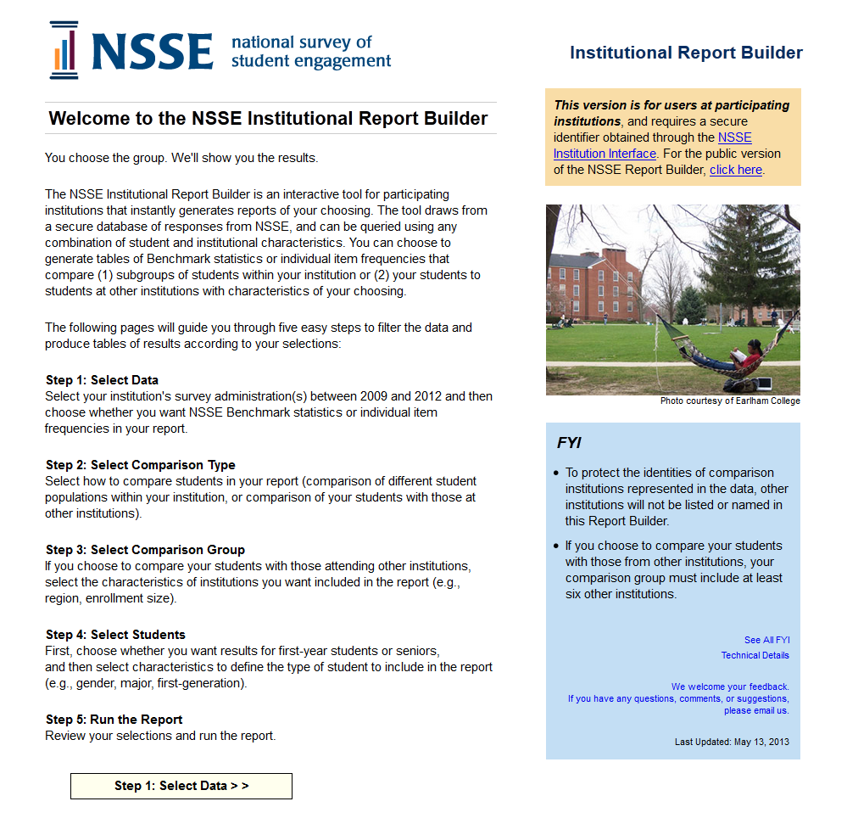 The NSSE Institutional Report Builder, to be updated with 2013 results in early fall, is an interactive tool for participating institutions to instantly generate custom reports using their NSSE data. Create tables of Engagement Indicator statistics or item frequencies that compare subgroups of students within your institution, or that compare your students to those from a customized comparison group. Access the Institutional Report Builder via the Institution Interface. nsse.iub.edu/links/interface

 |  |  |  |  |  |  |  | IPEDS: 201441

